BUG001
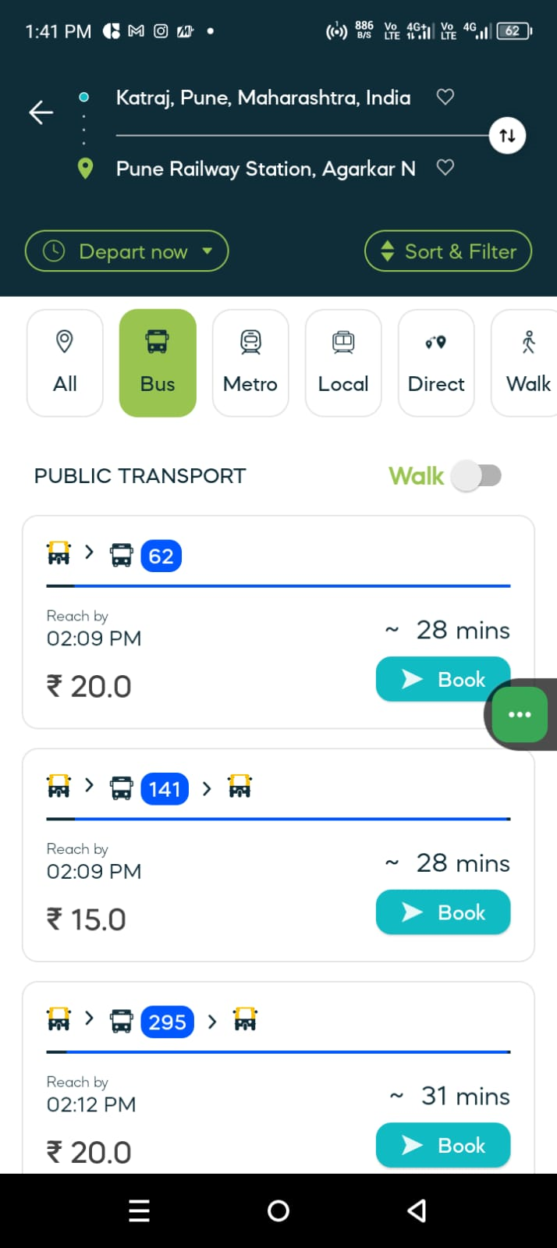
Bug_Defect

Defect ID | BUG001 | Assigned To | Dev
Status | New | Browser | Chrome
Severity | High | Found in Version
Priority | Critical | Found in Build | 1
Module | Navigation-Bus | Fixed in version
Reported By | Sachin | Fixed in build

Title/Summary | Navigation Bus-Not display the bus time.
Description Steps To Re-Produce : 1. Open App 2. Navigate or click on the Bus. 3.Tap on source field and enter valid (saource)station name 4. Tap on destination field and enter valid (destination)station name 6. There is showing route or list of bus. Expected Result : Showing the list of Bus & Depart time and booking cost etc. Actual Result : Not showing depart time of the particular bus.

Attachments

